Sheet1
达西浓纳米科技（常州）有限公司 Dashinou Nanotechnology (Changzhou) Co., Ltd. 产品技术说明书 Product technical specifications

氧化锡锑Tin antimony oxide DXN-ST30
也被称为纳米掺锑二氧化锡、锑锡氧化物，为蓝灰色粉末，氧化锡：氧化锑=95：5，纯度高，粒径小，具有抗静电、导电、
隔热的效果。
Also known as nano-antimony-doped tin dioxide and antimony-tin oxide, it is a blue-gray powder, tin oxide:
antimony oxide = 95:5, with high purity, small particle size, antistatic, conductive,Thermal insulation
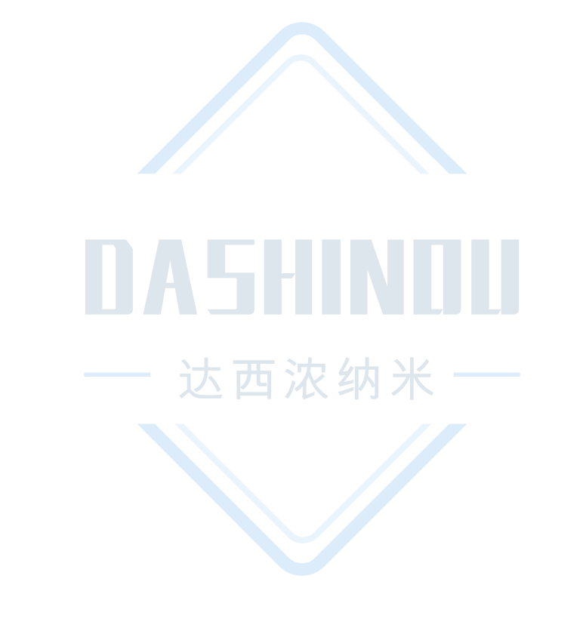
effect.

典型特征Typical characteristics
项目 Project | 单位 Unit | 标准值 Standard value | 测试标准 Test standards
氧化锡:氧化锑 Tin oxide: antimony oxide | - | 95：5 | XRF
纯度 Purity | % | ≧99 | XRF
外观 Appearance | - | 蓝灰色粉末 Blue gray powder | 目测 Visual inspection
平均粒径 Average particle size | ㎚ | ≦30 | TEM
比表面积 Specific surface area | m2/g | ≧15 | BET静态氮吸附 BET static nitrogen adsorption

应用建议Application suggestions
1、可用于涂料、隔热涂层，导电塑料、太阳能电池等材料和行业。
2、导电领域建议添加量为15-20%。（根据配方调整）。
1、Can be used in coatings, thermal insulation coatings, conductive plastics, solar cells and other materials
and industries.
2、The recommended addition amount in the conductive field is 15-20%. (Adjust according to recipe).

注意事项Things to note
1、本产品不可与强酸、强碱材料共用，特殊应用请采用小样测试，确认无误后在进行批量化测试。
2、上述产品特征值仅供指导。如有疑问，可与我司联系，我司可根据使用情况进行调整，非常感谢您给予的测试机会。
1、This product cannot be used with strong acid or alkali materials. For special applications, please use small
samples for testing. After confirmation, batch testing will be carried out.
2、The above product characteristic values are for guidance only. If you have any questions, please contact our
company. We can make adjustments according to the usage. Thank you very much for the test opportunity.

达西浓纳米科技（常州）有限公司/山东科纳达新材料科技有限公司
Dashinou Nanotechnology (Changzhou) Co., Ltd./Shandong Konada New Material Technology Co., Ltd.
销售地址:江苏省常州市新北区辽河路901号A幢410号
Sales address: No.410, Building A, No. 901, Liaohe Road, Xinbei District, Changzhou City, Jiangsu Province
工厂地址:山东省滕州市正泰路888号北二号厂房
Factory address: Factory Building No. 2, North, No. 888 Zhengtai Road, Tengzhou City, Shandong Province
联系电话:18068556320/18068532798
Contact number: 18068556320/18068532798

