Sheet1
达西浓纳米科技（常州）有限公司 Dashinou Nanotechnology (Changzhou) Co., Ltd. 产品技术说明书 Product technical specifications

三氧化二铁Iron sesquioxide DXN-FE50
为红色粉末，不溶于水和有机溶剂，但溶于盐酸。三氧化二铁对光、热、空气稳定，对酸、碱也表现出一定的稳定性。其着色力强、遮盖力好具
有良好的分散性、耐光性、耐热性和耐候性。
It is a red powder, insoluble in water and organic solvents, but soluble in hydrochloric acid. Iron sesquioxide is stable to
light, heat and air, and also shows some stability to acids and bases. It has strong coloring power, good hiding power and good
dispersion, light resistance, heat resistance and weather resistance.

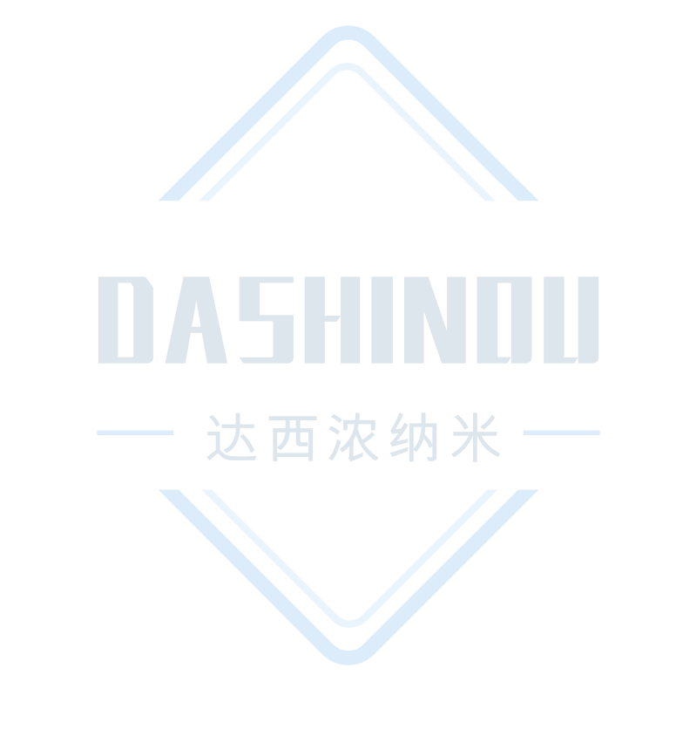
典型特征Typical characteristics
项目 Project | 单位 Unit | 标准值 Standard value
三氧化二铁 Iron sesquioxide | % | ≧99
外观 Appearance | --- | 红色粉末 Red powder
平均粒径 Average particle size | nm | 40-100
筛余物（45um）% Sieve residue (45um)% | % | ≤0.01
105℃挥发物% Volatile matter percentage at 105 ℃ | / | ≤1.5

应用建议Application suggestions
1、广泛用于油漆、橡胶、塑料、化妆品、建筑涂料等领域。
2、可用作高分子聚合物氧化、还原及合成的催化剂、磁性材料等。
1、Widely used in paint, rubber, plastic, cosmetics, architectural coatings and other fields.
2、Can be used as polymer oxidation, reduction and synthesis of catalysts, magnetic materials, etc.

注意事项Things to note
1、本产品不可与强酸、强碱材料共用，特殊应用请采用小样测试，确认无误后在进行批量化测试。
2、上述产品特征值仅供指导。如有疑问，可与我司联系，我司可根据使用情况进行调整，非常感谢您给予的测试机会。
1、This product cannot be used with strong acid or alkali materials. For special applications, please use small samples for
After confirmation, batch testing will be carried out.
2、The above product characteristic values ​​are for guidance only. If you have any questions, please contact our company. We
can make adjustments according to the usage. Thank you very much for the test opportunity.

达西浓纳米科技（常州）有限公司/山东科纳达新材料科技有限公司
Dashinou Nanotechnology (Changzhou) Co., Ltd./Shandong Konada New Material Technology Co., Ltd.
销售地址:江苏省常州市新北区辽河路901号A幢410号
Sales address: No.410, Building A, No. 901, Liaohe Road, Xinbei District, Changzhou City, Jiangsu Province
工厂地址:山东省滕州市正泰路888号北二号厂房
Factory address: Factory Building No. 2, North, No. 888 Zhengtai Road, Tengzhou City, Shandong Province
联系电话:18068556320/18068532798
Contact number: 18068556320/18068532798

