Sheet1
达西浓纳米科技（常州）有限公司 Dashinou Nanotechnology (Changzhou) Co., Ltd. 产品技术说明书 Product technical specifications

氧化锡分散液 Tin oxide dispersion DXN-SN30S
氧化锡分散液，又称氧化锡浆料、氧化锡溶液、氧化锡悬浮液、锡溶液、锡浆料,是将20-30nm的纳米氧化锡粉末均匀分散于水中得到的稳定性液
体，流动性好，不易沉淀，可与水任意比例稀释，并可根据客户要求调整溶剂类别、含量等，具备强抗菌、抗紫外线作用，液体固含量高，粘度
低。
tin oxide dispersion, also known as tin oxide slurry, tin oxide solution, tin oxide suspension, tin solution, tin slurry, is a
stable liquid obtained by uniformly dispersing 20-30nm nanometer tin oxide powder in water. , has good fluidity and is not easy
to precipitate. It can be diluted with water in any proportion, and the solvent type and content can be adjusted according to
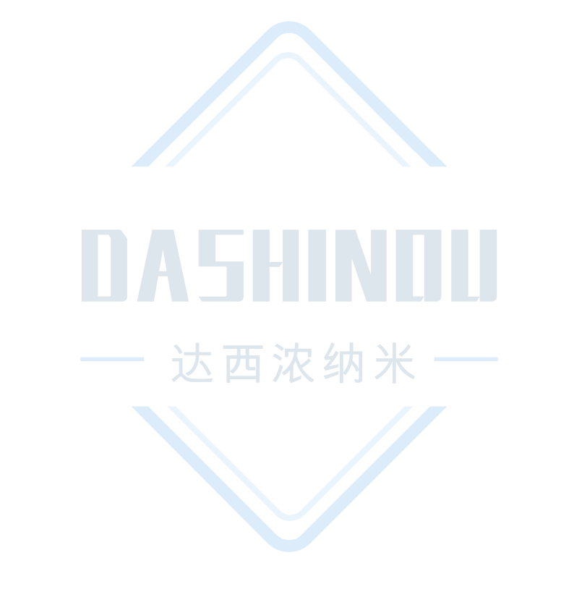
customer requirements. It has strong antibacterial and anti-ultraviolet effects. The liquid has high solid content and low
viscosity.

典型特征Typical characteristics
项目 Project | 单位 Unit | 标准值 Standard value
氧化锡（SnO2） Tin oxide | % | ≥30
外观 Appearance | --- | 灰白色液体 Off-white liquid
离子型 Ionic | --- | 阴离子 Anion
分散溶剂 Dispersion solvent | --- | 水
PH | --- | 7-10
平均粒径 Average particle size | nm | 50-100
粒度（D50） Granularity | nm | ≤300

应用建议Application suggestions
1、可作为导电镀膜涂层材料使用。
2、可用于催化、电磁材料等应用。
1、Can be used as conductive coating material.
2、Can be used in applications such as catalysis and electromagnetic materials.

注意事项Things to note
1、本产品不可与强酸、强碱材料共用，特殊应用请采用小样测试，确认无误后在进行批量化测试。
2、上述产品特征值仅供指导。如有疑问，可与我司联系，我司可根据使用情况进行调整，非常感谢您给予的测试机会。
1、This product cannot be used with strong acid or alkali materials. For special applications, please use small samples for
After confirmation, batch testing will be carried out.
2、The above product characteristic values ​​are for guidance only. If you have any questions, please contact our company. We
can make adjustments according to the usage. Thank you very much for the test opportunity.

达西浓纳米科技（常州）有限公司/山东科纳达新材料科技有限公司
Dashinou Nanotechnology (Changzhou) Co., Ltd./Shandong Konada New Material Technology Co., Ltd.
销售地址:江苏省常州市新北区辽河路901号A幢410号
Sales address: No.410, Building A, No. 901, Liaohe Road, Xinbei District, Changzhou City, Jiangsu Province
工厂地址:山东省滕州市正泰路888号北二号厂房
Factory address: Factory Building No. 2, North, No. 888 Zhengtai Road, Tengzhou City, Shandong Province
联系电话:18068556320/18068532798
Contact number: 18068556320/18068532798

