Sheet1
达西浓纳米科技（常州）有限公司 Dashinou Nanotechnology (Changzhou) Co., Ltd. 产品技术说明书 Product technical specifications

纳米氧化锡 Nano tin oxide DXN-SN30
纳米氧化锡，氧化锡是一种无机物，化学式SnO2，为白色、淡黄色或淡灰色,四方、六方或斜方晶系粉末。熔点1630℃，沸点1800℃。密度6.95
g/mL at 25 °C ，同时是一种优秀的透明导电材料。产品纯度高，杂质含量低，流动性及分散性好。
Nano-tin oxide, tin oxide is an inorganic substance with the chemical formula SnO2. It is white, light yellow or light gray,
tetragonal, hexagonal or orthorhombic crystal system powder. The melting point is 1630℃ and the boiling point is 1800℃. The
density is 6.95 g/mL at 25 °C, and it is an excellent transparent conductive material. The product has high purity, low impurity
content, and good fluidity and dispersion.

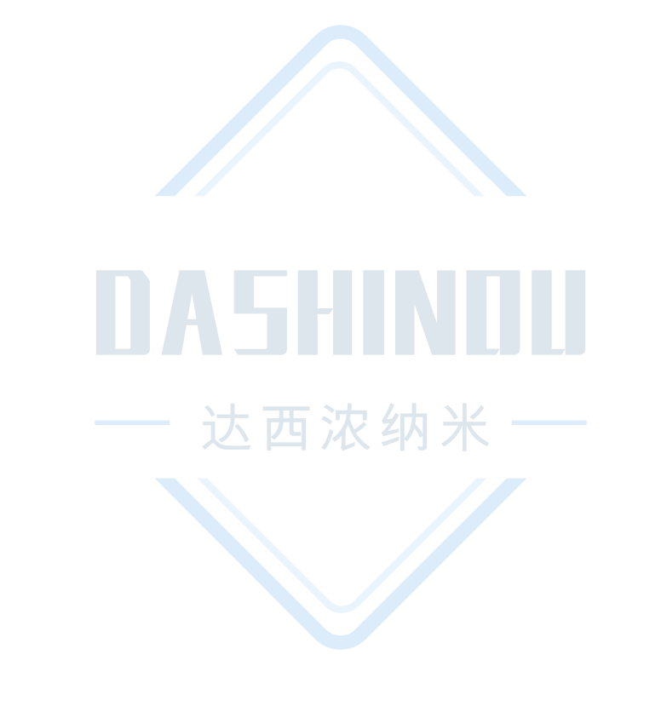
典型特征Typical characteristics
项目 Project | 单位 Unit | 标准值 Standard value
氧化锡 Tin oxide | % | ≧99
外观 Appearance | --- | 淡黄色粉末 Light yellow powder
平均粒径 Average particle size | ㎚ | ≦30
平均粒度（D50） Average particle size (D50) | ㎛ | ≦10
比表面积 Specific surface area | m2/g | ≧10

应用建议Application suggestions
1、可作为导电镀膜涂层材料使用。
2、可用于催化、电磁材料等应用。
1、Can be used as conductive coating material.
2、Can be used in applications such as catalysis and electromagnetic materials.

注意事项Things to note
1、本产品不可与强酸、强碱材料共用，特殊应用请采用小样测试，确认无误后在进行批量化测试。
2、上述产品特征值仅供指导。如有疑问，可与我司联系，我司可根据使用情况进行调整，非常感谢您给予的测试机会。
1、This product cannot be used with strong acid or alkali materials. For special applications, please use small samples for After
confirmation, batch testing will be carried out.
2、The above product characteristic values ​​are for guidance only. If you have any questions, please contact our company. We can
make adjustments according to the usage. Thank you very much for the test opportunity.

达西浓纳米科技（常州）有限公司/山东科纳达新材料科技有限公司
Dashinou Nanotechnology (Changzhou) Co., Ltd./Shandong Konada New Material Technology Co., Ltd.
销售地址:江苏省常州市新北区辽河路901号A幢410号
Sales address: No.410, Building A, No. 901, Liaohe Road, Xinbei District, Changzhou City, Jiangsu Province
工厂地址:山东省滕州市正泰路888号北二号厂房
Factory address: Factory Building No. 2, North, No. 888 Zhengtai Road, Tengzhou City, Shandong Province
联系电话:18068556320/18068532798
Contact number: 18068556320/18068532798

