Sheet1
达西浓纳米科技（常州）有限公司 Dashinou Nanotechnology (Changzhou) Co., Ltd. 产品技术说明书 Product technical specifications

氢氧化镍Nickel hydroxide DXN-NI200
氢氧化镍为绿色粉末，是一种两性氢氧化物，既可以表现出酸性，也可以表现出碱性。在水中的溶解度较低，微溶于水。然而，在酸性和碱性溶液中，
其溶解度可能会有所增加。稳定性好，具有优异的电化学性能
Nnickel hydroxide is a green powder and a amphoteric hydroxide that can exhibit both acidity and alkalinity. Low solubility in water,
soluble in water. However, its solubility may increase in acidic and alkaline solutions. Good stability and excellent electrochemical
performance

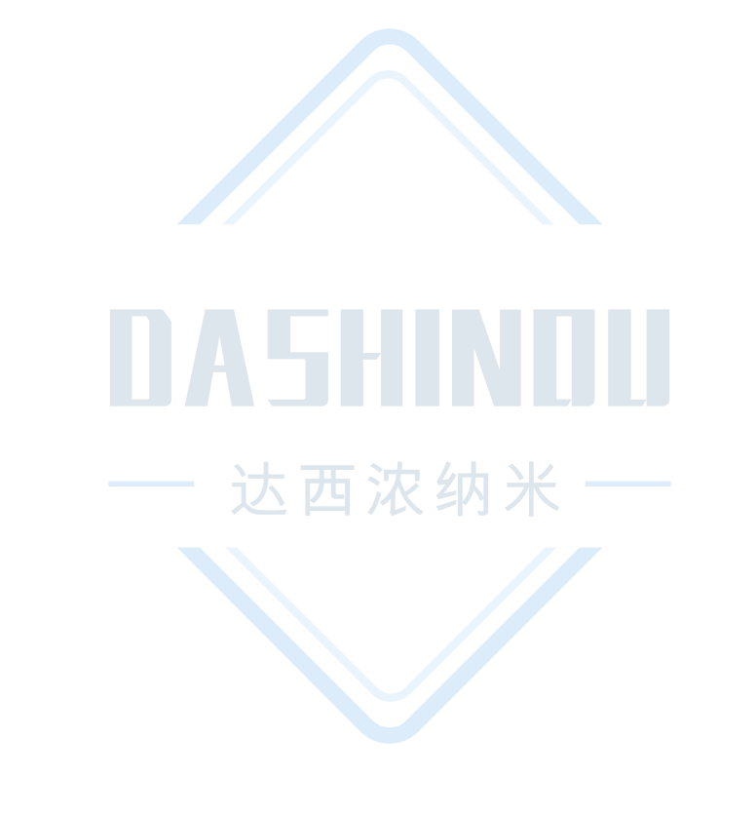
典型特征Typical characteristics
项目 Project | 单位 Unit | 标准值 Standard value
外观 Appearance | ——— | 绿色粉末 Green Powder
镍含量 Nickel content | % | ≥61
形貌 Appearance | ppm | 片状
比表面积 Specific surface area | M2/g | ≥35
D50 | μm | 8-12

应用建议Application suggestions
1、氢氧化镍是制取各种镍盐的重要原料。
2、在电池行业里，氢氧化镍常用作正极材料。
3、氢氧化镍还可作为某些化学反应的催化剂，促进反应的进行。
1、Nickel hydroxide is an important raw material for the production of various nickel salts.
2、In the battery industry, nickel hydroxide is commonly used as a positive electrode material.
3、Nickel hydroxide can also serve as a catalyst for certain chemical reactions, promoting their progress.

注意事项Things to note
1、本产品不可与强酸、强碱材料共用，特殊应用请采用小样测试，确认无误后在进行批量化测试。
2、上述产品特征值仅供指导。如有疑问，可与我司联系，我司可根据使用情况进行调整，非常感谢您给予的测试机会。
1、This product cannot be used with strong acid or alkali materials. For special applications, please use small samples for
After confirmation, batch testing will be carried out.
2、The above product characteristic values ​​are for guidance only. If you have any questions, please contact our company. We
can make adjustments according to the usage. Thank you very much for the test opportunity.

达西浓纳米科技（常州）有限公司/山东科纳达新材料科技有限公司
Dashinou Nanotechnology (Changzhou) Co., Ltd./Shandong Konada New Material Technology Co., Ltd.
销售地址:江苏省常州市新北区辽河路901号A幢410号
Sales address: No.410, Building A, No. 901, Liaohe Road, Xinbei District, Changzhou City, Jiangsu Province
工厂地址:山东省滕州市正泰路888号北二号厂房
Factory address: Factory Building No. 2, North, No. 888 Zhengtai Road, Tengzhou City, Shandong Province
联系电话:18068556320/18068532798
Contact number: 18068556320/18068532798

